alogliptin
Main
 | Brand Name | Nesina, Vipidia SYR-322
 | Generic Name | alogliptin
 | Indication | Type 2 Diabetes
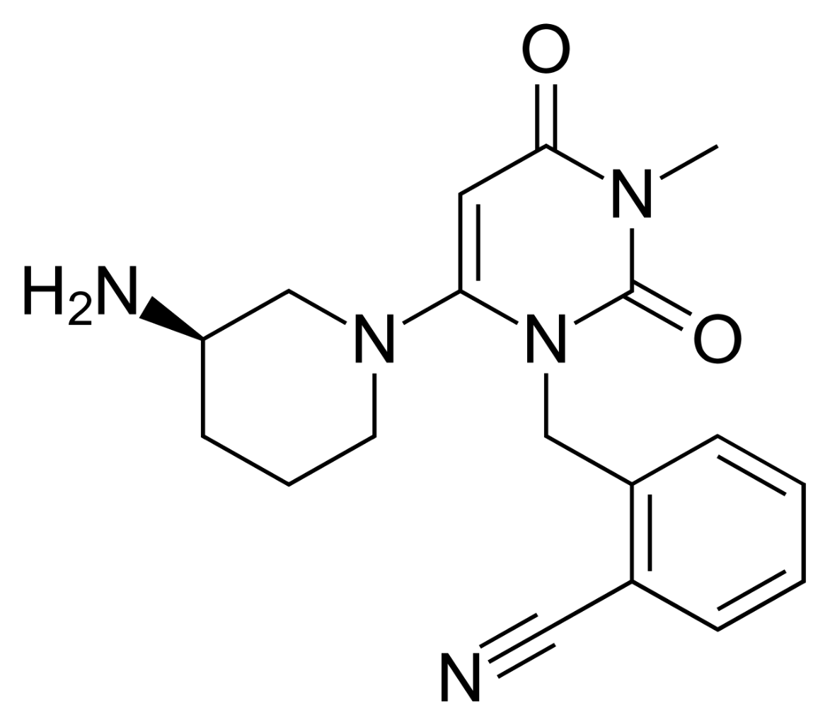
 | Economics | PPDI
 | Safety | Have not seen skin toxicity in animals.
 | Timeline | NDA submitted 1/4/2008. FDA now asking for CV studies, and Takeda is delaying EU filing until 2012.
 | Competition | Januvia (MRK). $42m. $87m. $144m. $185m. Q1-Q4 of launch.
 |  | BMY, NVS (Galvus).
 | Clinical Trials
 |  | Phase 3 trials - 6 conducted
 |  | 3 deaths in studies--2 unrelated and one possibly related.

